Report
MLR 2024 Attendance Prediction based on Registered Participation of Previous Years 2015-2023

Total Number of Predicted Attendees | 103,790 | Country-Wise Predicted Attendance for 2024

Benue | 16,355

Nigeria | 99,053

Top Attended Regions: 2023 vs. Predicted 2024

Attendance Trends in Nigeria from 2015-2023 and Predicted 2024

Inferences
1. Using Machine learning modelling approach data of previous MLR registration for the past 9 years was used to predict the attendance rate for 2024 MLR program by region and by country.
2. An approximate number of 103,790 participants is predicted to register for MLR in 2024 with Benue region projected to have the highest attendance of about 16,355 and Sokoto region being the least attended with about 125 Participants.
3. In comparision to last year's data, there a significant projected in growth of 14.28% in registered attendees.
4. Nigeria has the highest projected attendance rate of 95.44%, indicating that more strategic campaign is needed to boost the participation outside the country.
N.B: It is important to note that other factors aside the past years registered count that may influence the attendance of the program was not considered.

Peace House YouTube Channel Engagement Pattern Analysis

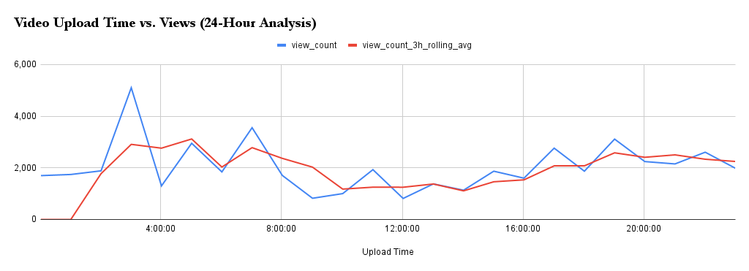

Inferences
1. Public data of engagement of Peace House Youtube Channel was collected through the YouTube API which include information like title, views, comment count, upload date and time of all the videos uploaded on the channel.
2. Analysis revealed that videos uploaded between 03:00 and 04:00 had higher engagement. While this may suggest an optimal user engagement window, the total view count is cumulative and could also be influenced by the nature of the content. To accurately identify the best engagement time, detailed data on the timing of individual views is needed; however, such information is not publicly accessible.

